2024-25 Levy rates
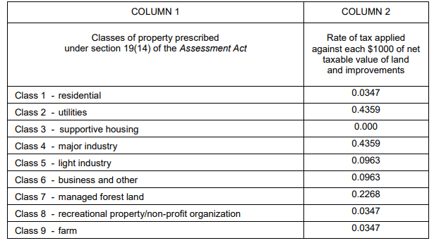
2024/25 Tax Levy Rates (2024/25 Tax Levy Bylaw No 67)

